Anugrah (Bag, Cup, Box)
DATE | INV NO. | DESCRIPTIONS | AMOUNT | BILLS | PRICE | SUBTOTAL | TOTAL
11-Oct-2025 | 1934 | Paper Lunch Box L | 200 |  | IDR 1,100 | IDR 220,000 | IDR 4,308,000
 |  | Thinwall Bowl 650ml | 500 |  | IDR 1,380 | IDR 690,000
 |  | Plastic Wrap 45 | 4 |  | IDR 188,000 | IDR 752,000
 |  | Aluminium Foil 30*7.6 | 24 |  | IDR 38,000 | IDR 912,000
 |  | Tusuk Yakitori | 2 |  | IDR 28,000 | IDR 56,000
 |  | Hand Glove XL | 5 |  | IDR 58,000 | IDR 290,000
 |  | Box Burger XL | 100 |  | IDR 2,680 | IDR 268,000
 |  | Paper Bag Handle M | 400 |  | IDR 2,800 | IDR 1,120,000
16-Oct-2025 | 1967 | Paper Bag Handle L | 600 | 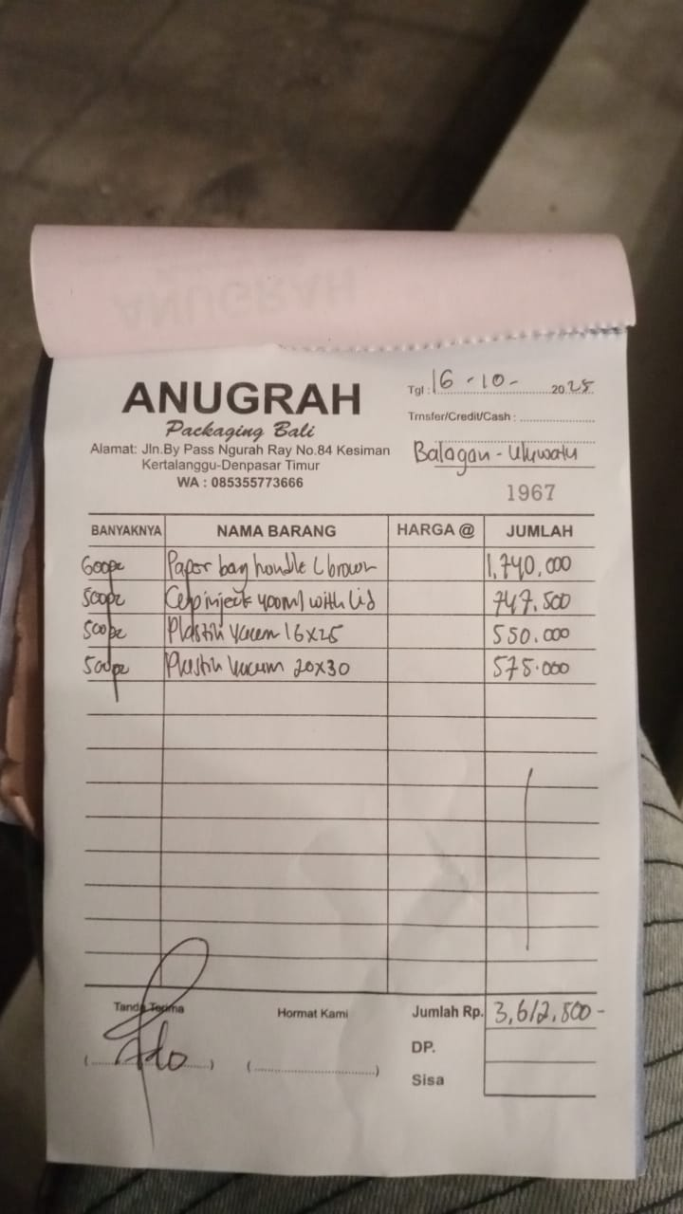 | IDR 2,900 | IDR 1,740,000 | IDR 3,612,500
 |  | Cup inject 400 ml with lid | 500 |  | Rp1,495 | IDR 747,500
 |  | Plastic vacuum 16 x 25 | 500 |  | Rp1,100 | IDR 550,000
 |  | Plastic vacuum 20 x 30 | 500 |  | Rp1,150 | IDR 575,000
24/10/2025 | 2077 | Cup Sauce 60ml | 1200 | 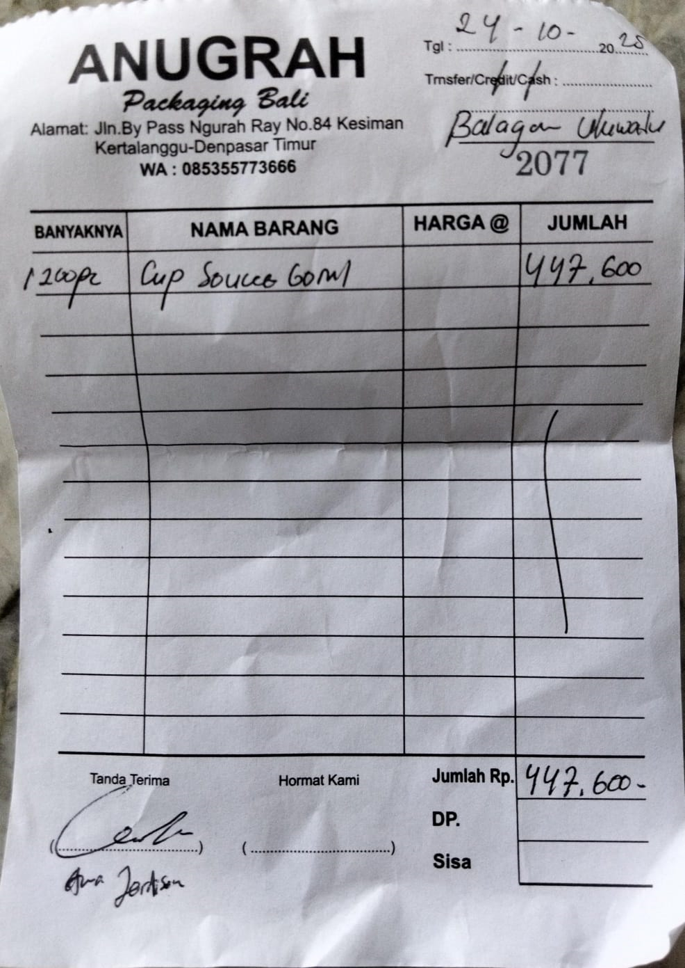 | Rp373 | IDR 447,600 | IDR 447,600
GRAND TOTAL |  |  |  |  |  |  | Rp8,368,100

UD Abdi Jaya (Bag, Cup, Box)
DATE | INV NO. | DESCRIPTIONS | AMOUNT | BILLS | PRICE | SUBTOTAL | TOTAL
17-Oct-2025 | 1197 | Thermal paper 80 x 80 | 50 | 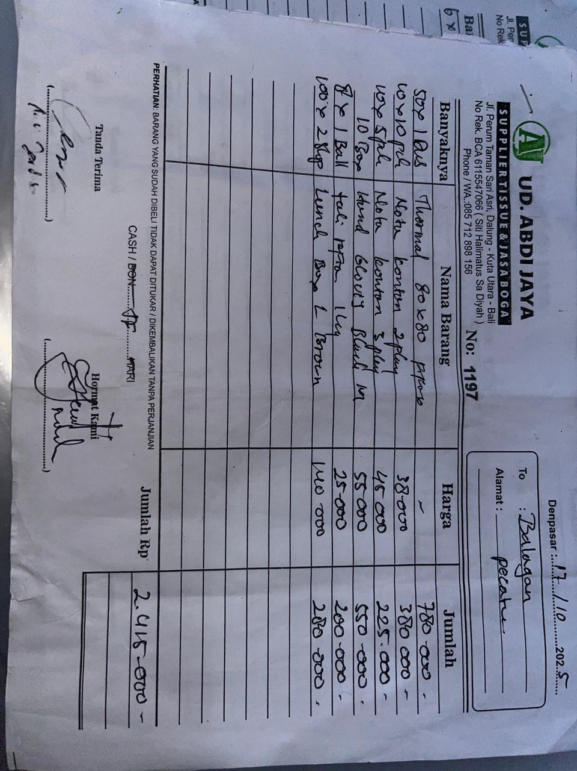 | IDR 15,600 | IDR 780,000 | IDR 2,415,000 | 15600
 |  | Nota kontan 2 play | 10 |  | IDR 38,000 | IDR 380,000
 |  | Nota kontan 3 play | 5 |  | IDR 45,000 | IDR 225,000
 |  | Hand Gloves Black M | 10 |  | IDR 55,000 | IDR 550,000
 |  | Plastic rope | 8 |  | IDR 25,000 | IDR 200,000
 |  | Lunch box L brown | 2 |  | IDR 140,000 | IDR 280,000
18-Oct-2025 | 1378 | Paper cup 12 Oz Brown | 20 | 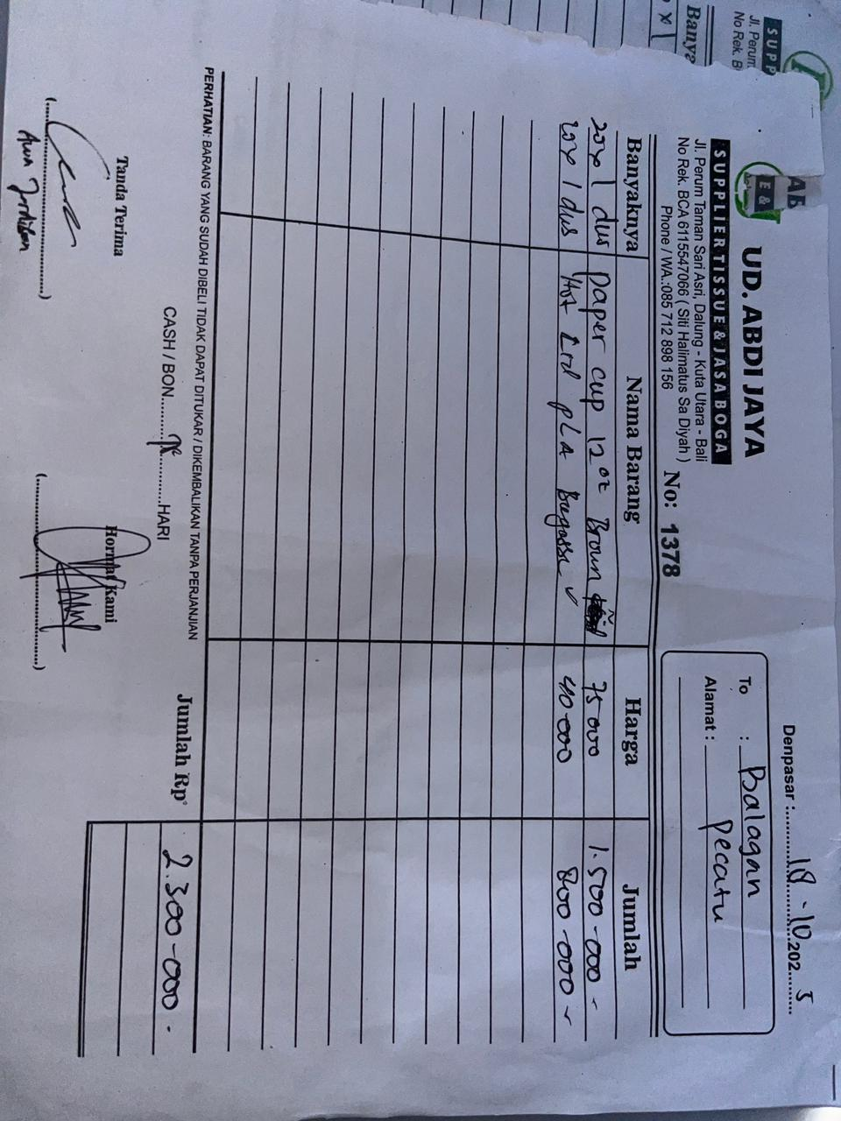 | IDR 75,000 | IDR 1,500,000 | IDR 2,300,000
 |  | Hot Lid PLA | 20 |  | IDR 40,000 | IDR 800,000

 |  |  |  |  |  |  | Rp4,715,000

PT. SUPARMA JAYA TBK (Tissue)
DATE | INV NO. | DESCRIPTIONS | AMOUNT | BILLS | PRICE | TOTAL
14-Oct-2025 | SO05LC2510002108 | PLENTY PRO COCKTAIL NAPKIN BORDER | 48 | 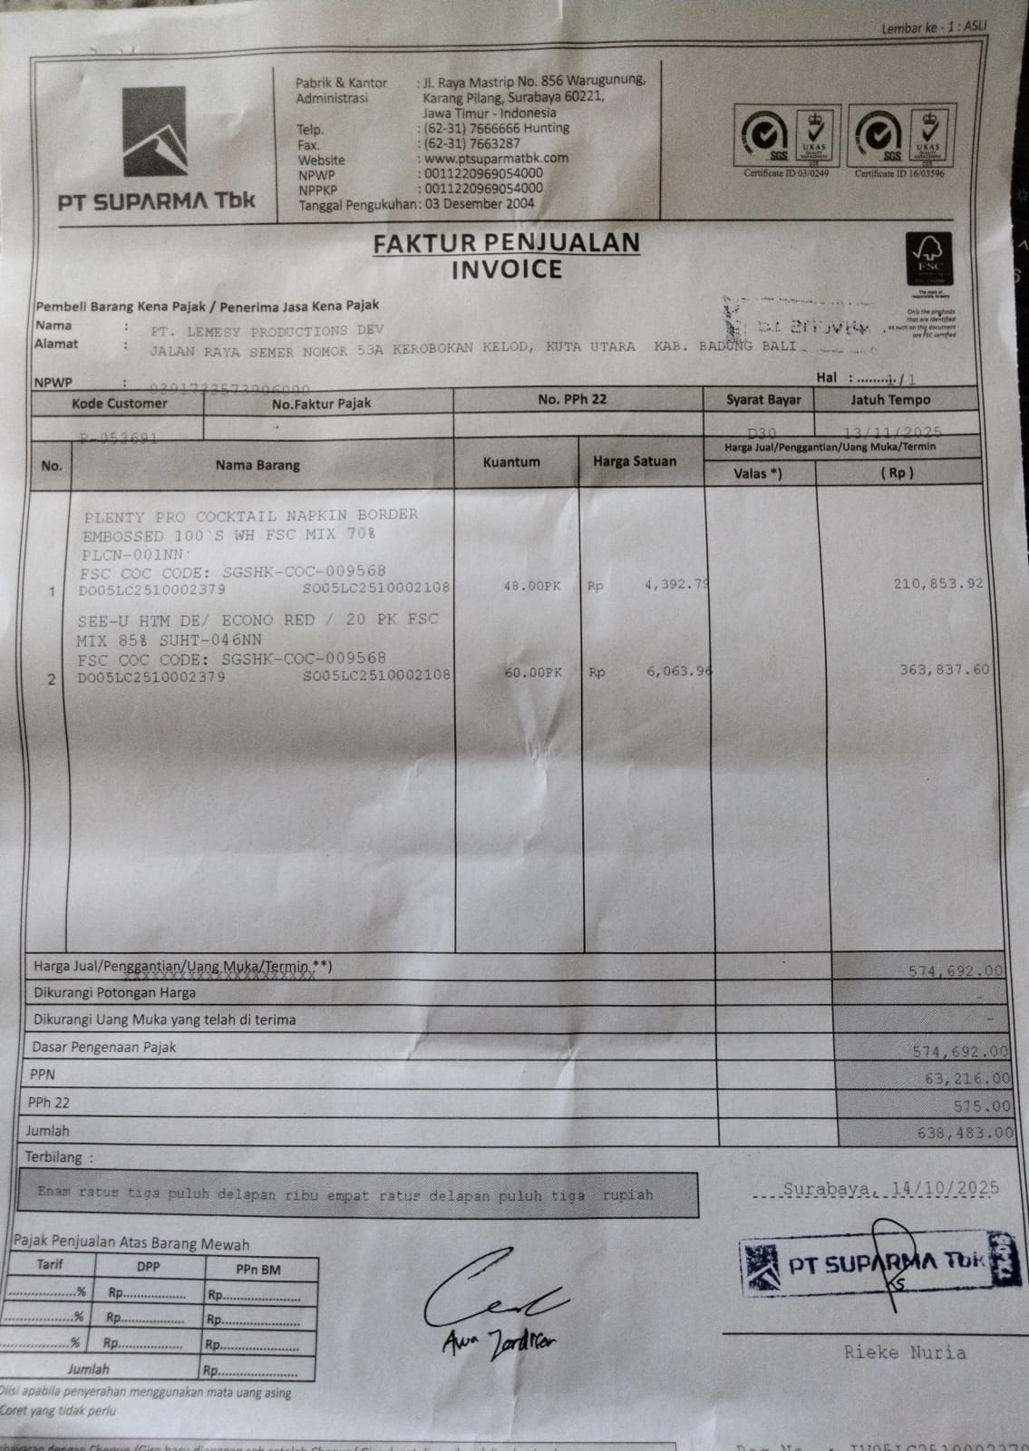 | IDR 4,393 | 210,854
 |  | SEE-U HTM / ECONO RED | 60 |  | IDR 6,064 | 363,838
 | SALES PRICE |  |  |  |  | Rp574,692
 | PPN |  |  |  |  | Rp63,216
 | PPh 22 |  |  |  |  | Rp575.00
 | TOTAL |  |  |  |  | Rp638,483

 | SALES PRICE |  |  |  |  | Rp-
 | PPN
 | PPh 22
 | TOTAL |  |  |  |  | Rp-
GRAND TOTAL |  |  |  | Rp638,483

Vickel Laundry
DATE | INV NO. | BILLS | TOTAL | STATUS
2025-10-01 | 0369 | 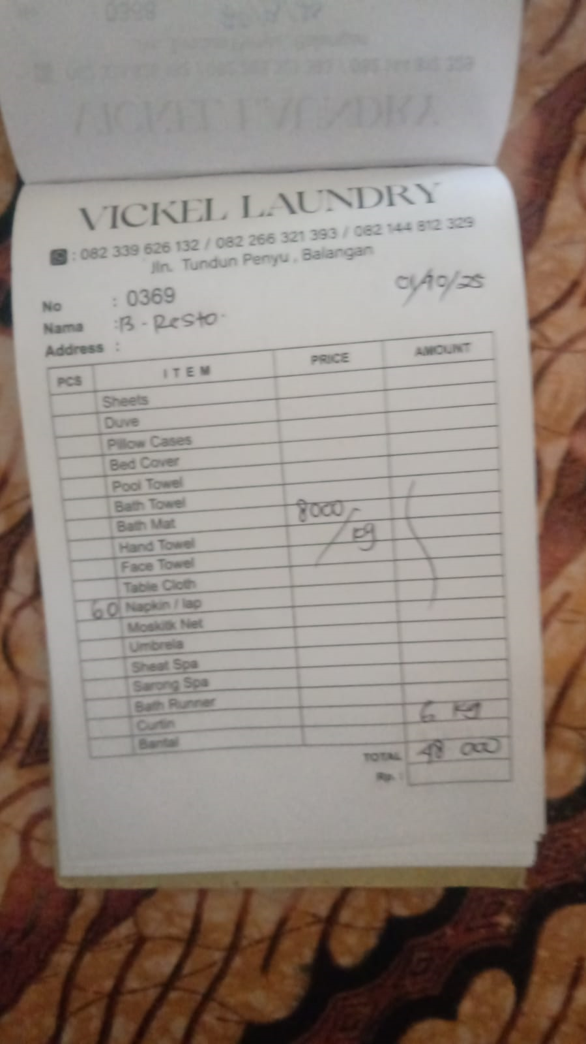 | IDR 48,000
2025-10-02 | 0370 | 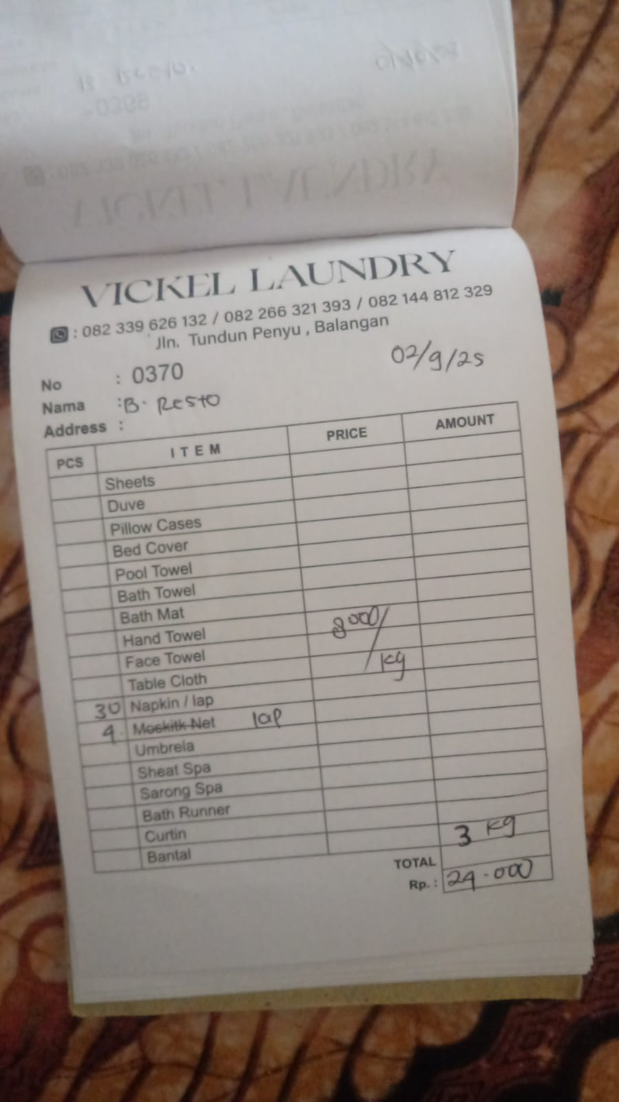 | IDR 24,000
2025-10-03 | 0371 | 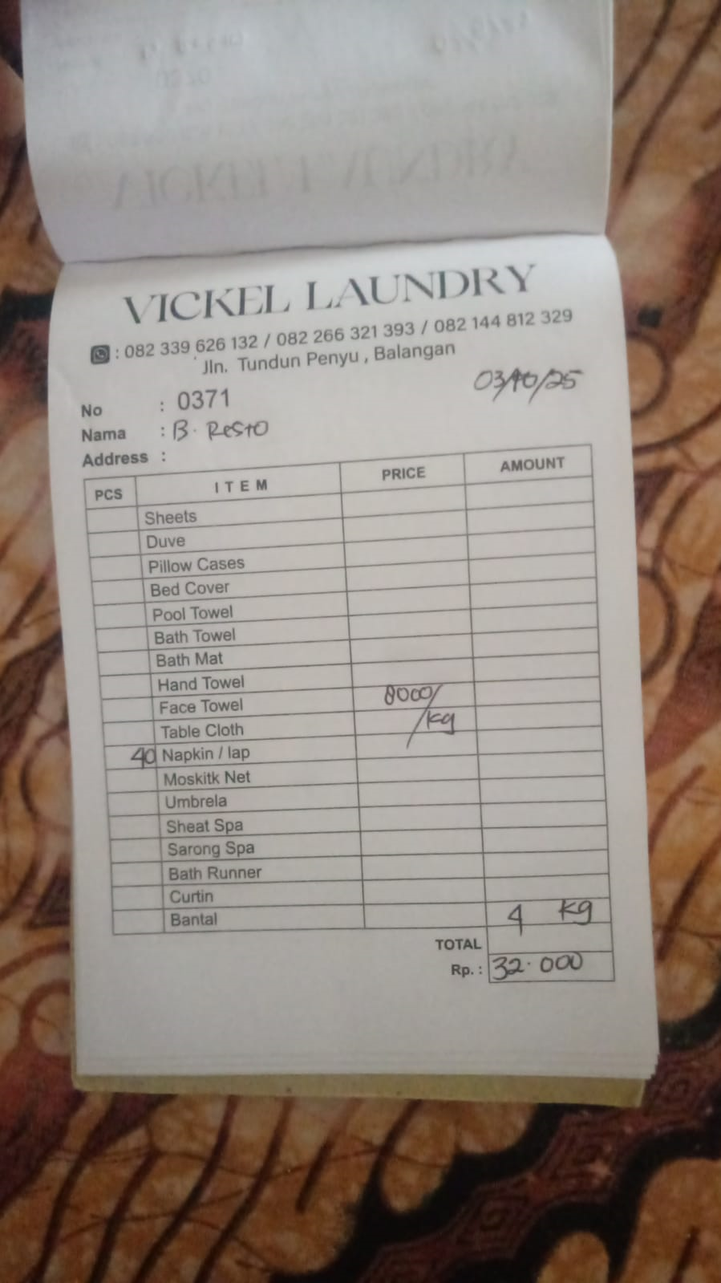 | IDR 32,000
2025-10-05 | 0372 |  | IDR 56,000
2025-10-06 | 0373 |  | IDR 32,000
2025-10-07 | 0374 |  | IDR 32,000
2025-10-08 | 0375 | 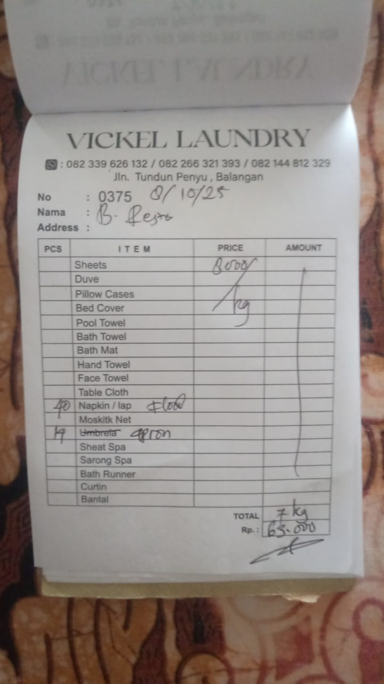 | IDR 63,000
2025-10-09 | 0376 | 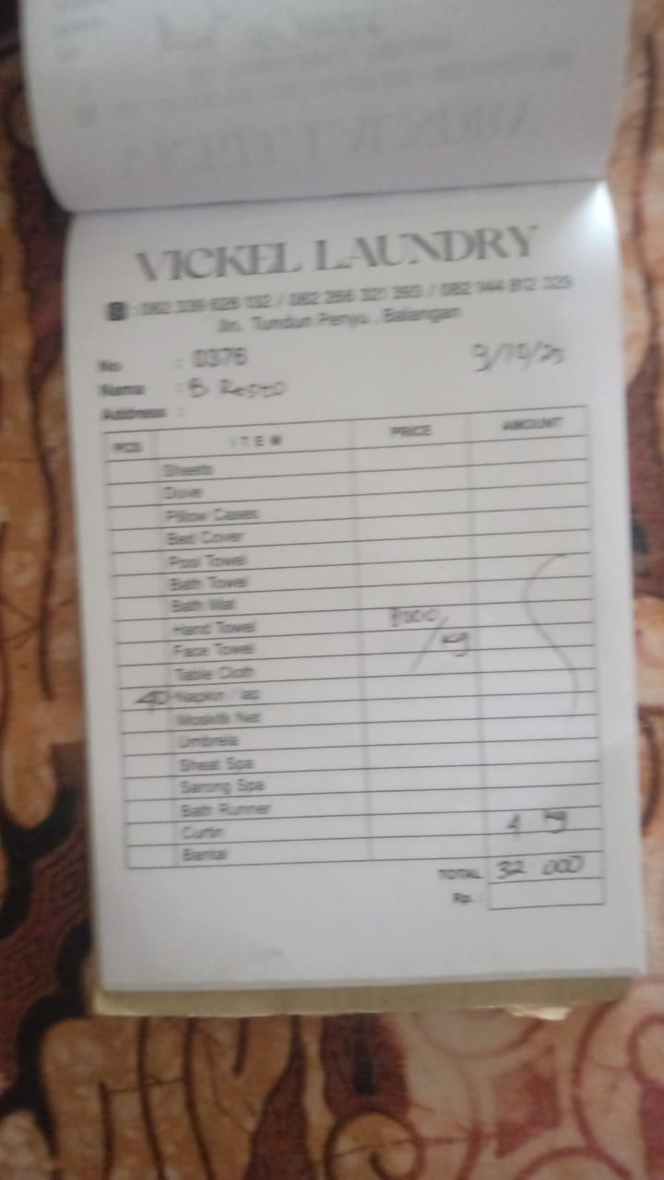 | IDR 32,000
2025-10-10 | 0377 | 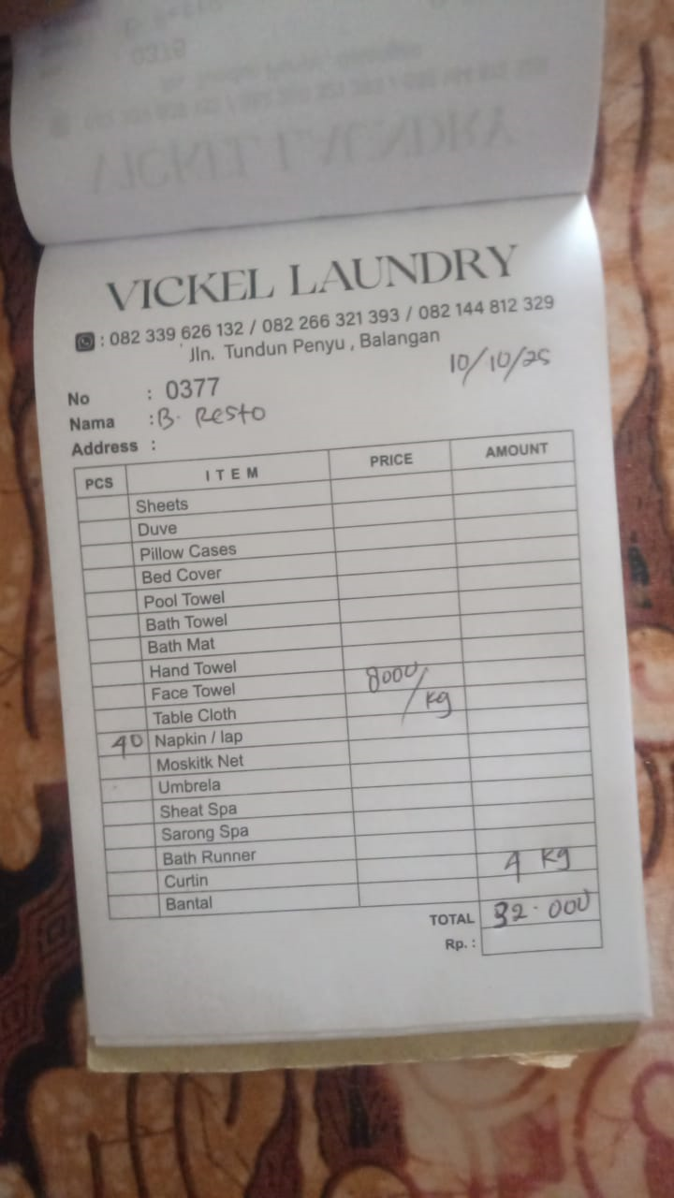 | IDR 32,000
2025-10-11 | 0378 | 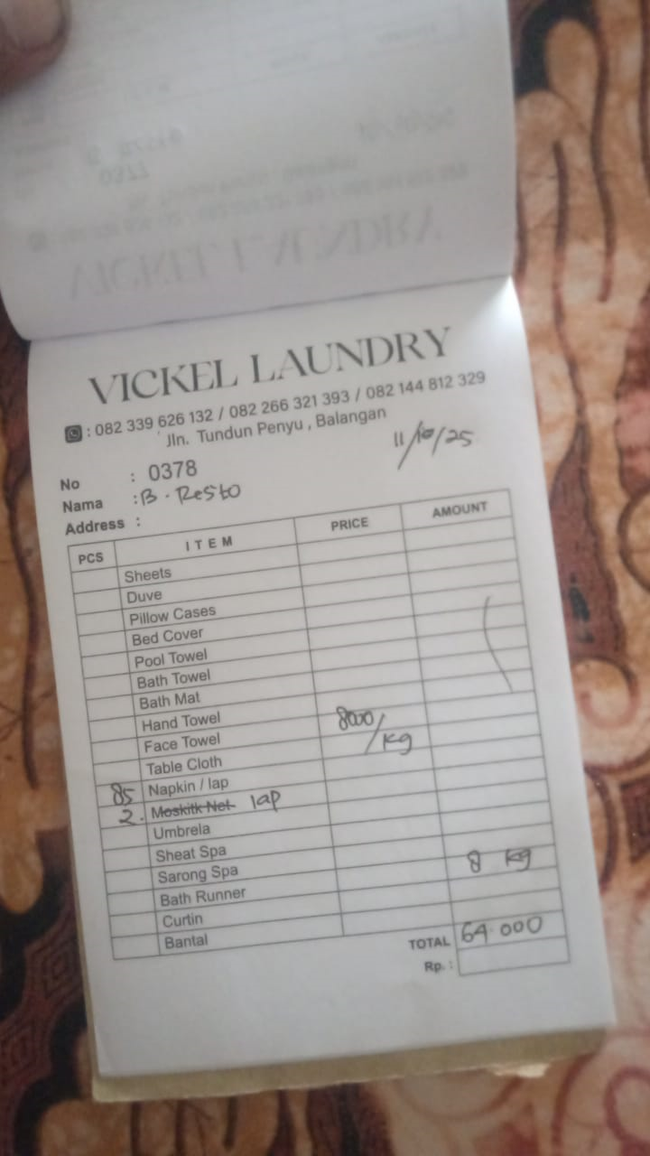 | IDR 64,000
2025-10-12 | 0379 | 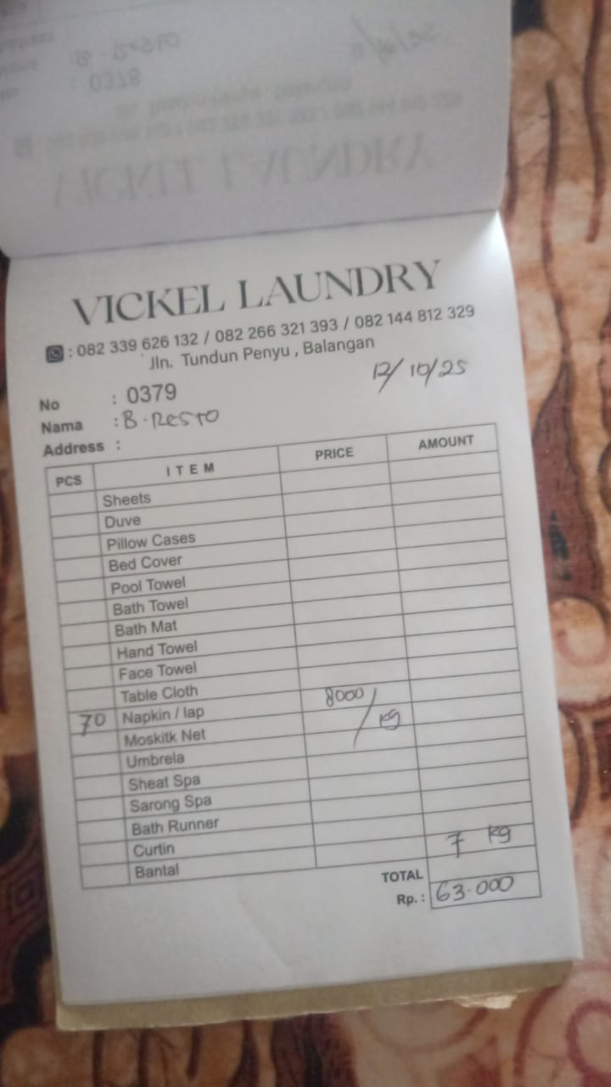 | IDR 63,000
2025-10-13 | 0380 | 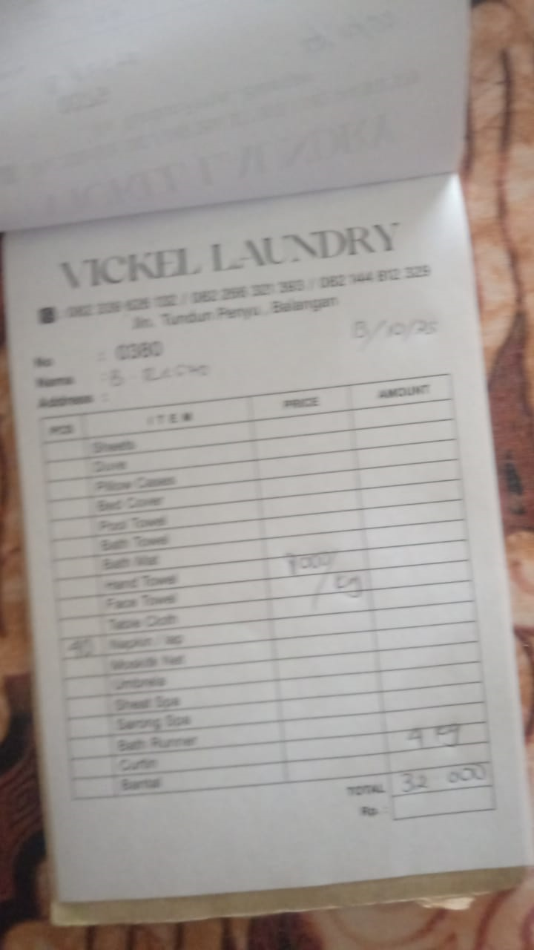 | IDR 32,000
2025-10-14 | 0381 |  | IDR 16,000
2025-10-17 | 0382 |  | IDR 72,000
2025-10-18 | 0383 |  | IDR 24,000
2025-10-20 | 0384 |  | IDR 71,000
2025-10-21 | 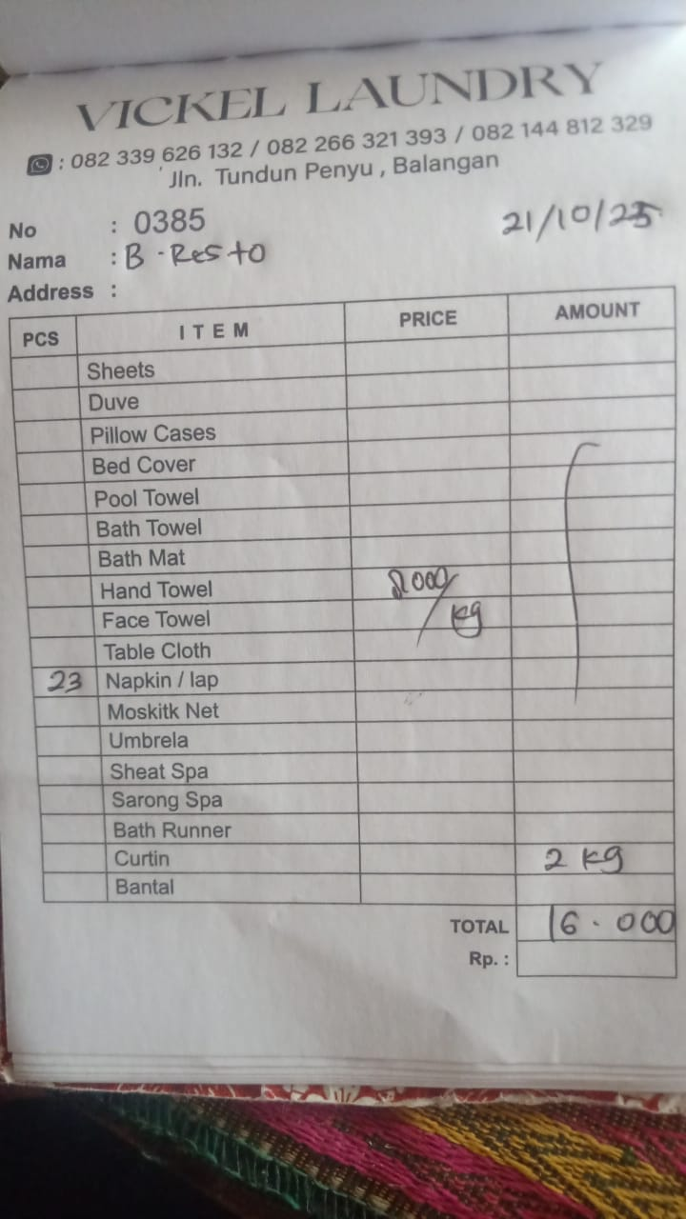 0385 |  | IDR 16,000
2025-10-22 | 0386 | 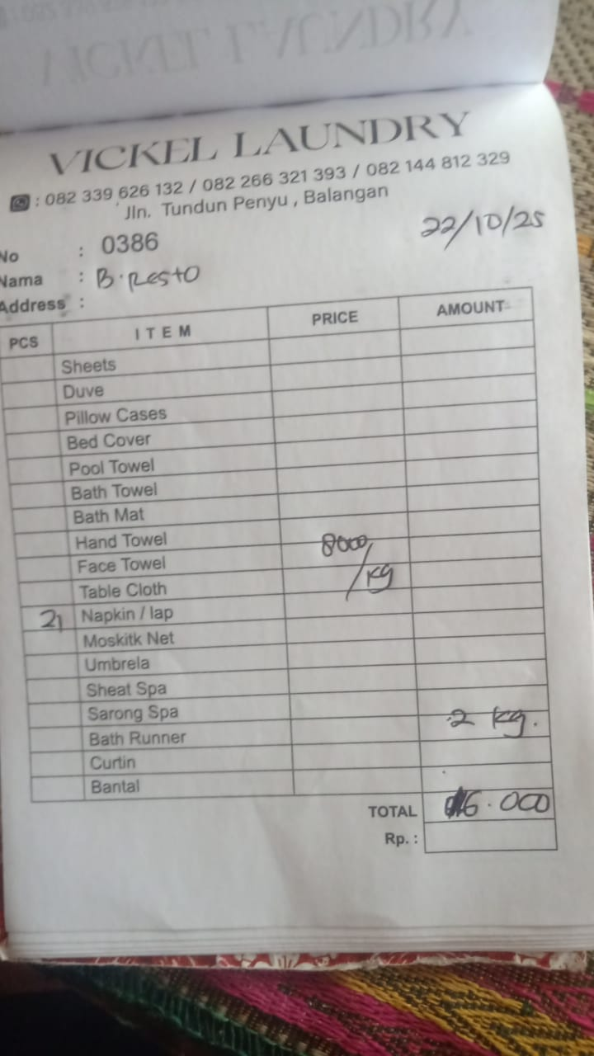 | IDR 16,000
2025-10-23 | 0387 | 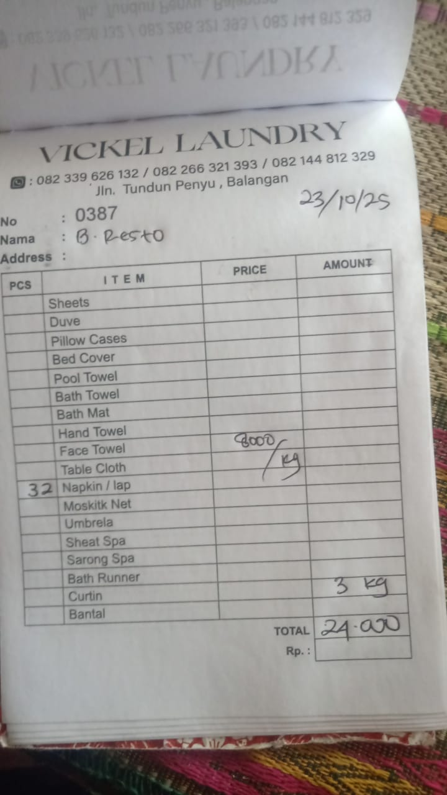 | IDR 24,000
2025-10-24 | 0388 | 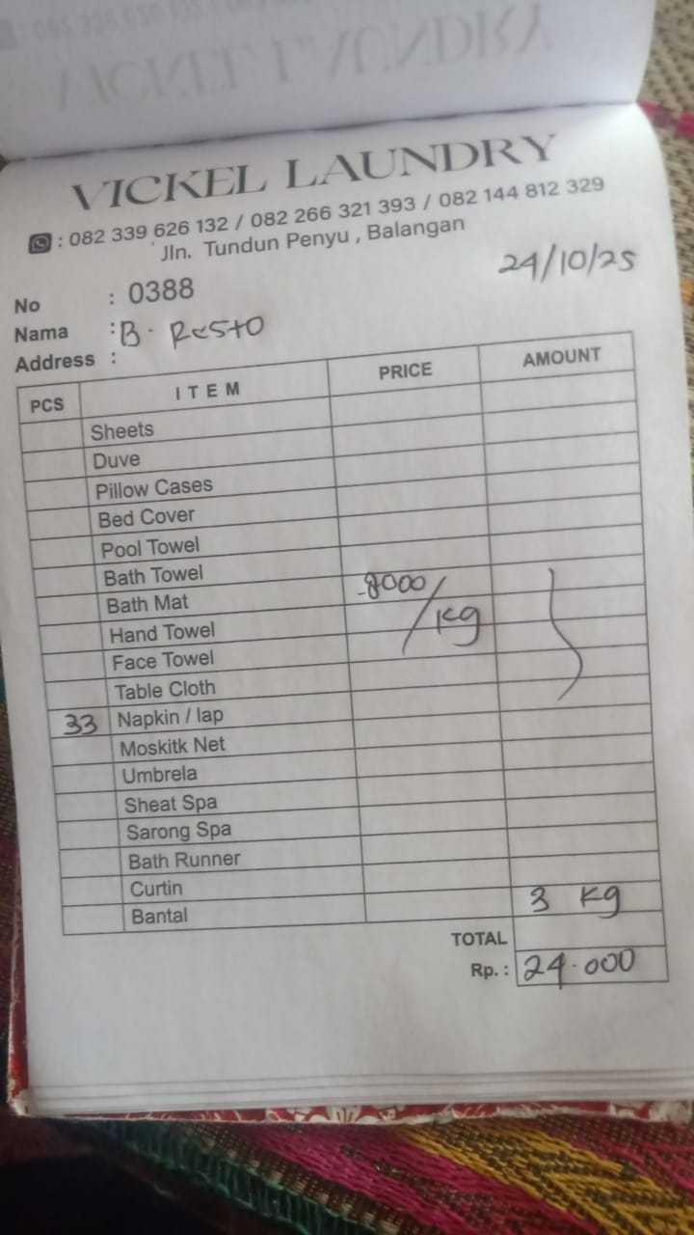 | IDR 24,000
2025-10-25 | 0389 | 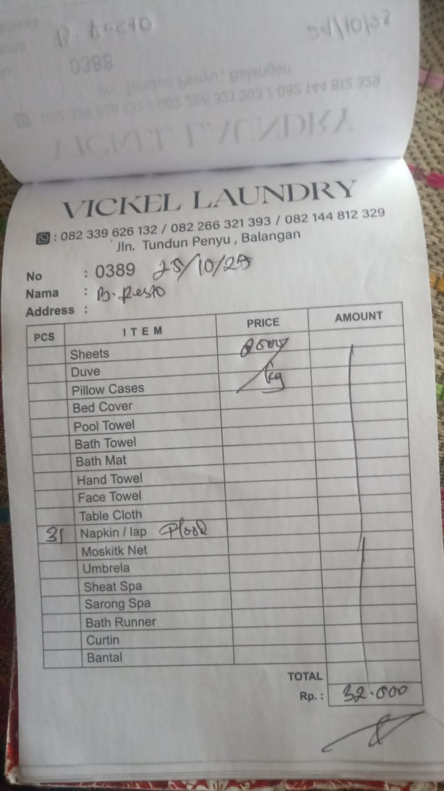 | IDR 32,000
2025-10-26 | 0390 | 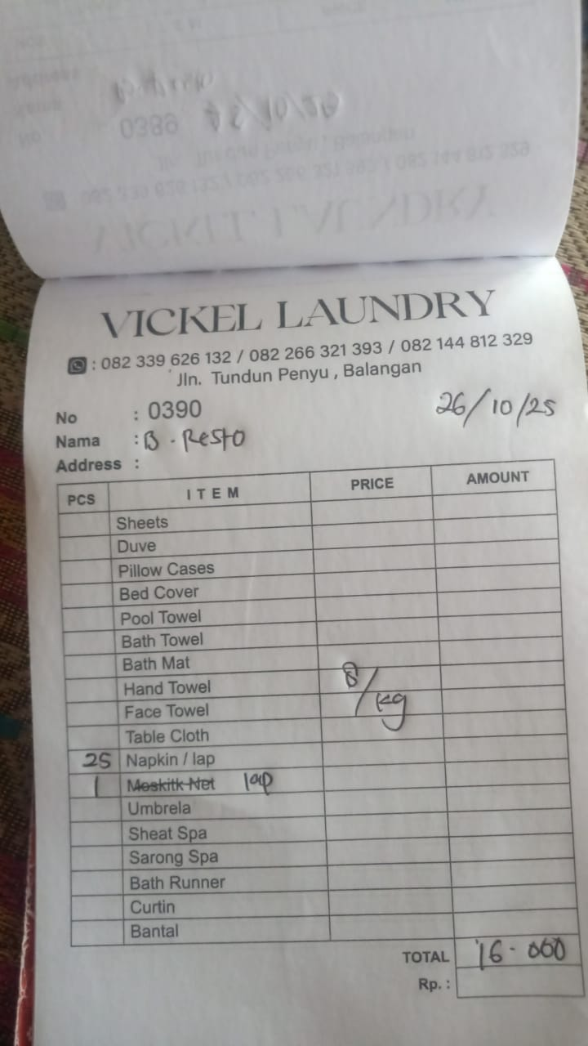 | IDR 16,000
2025-10-27 | 0391 | 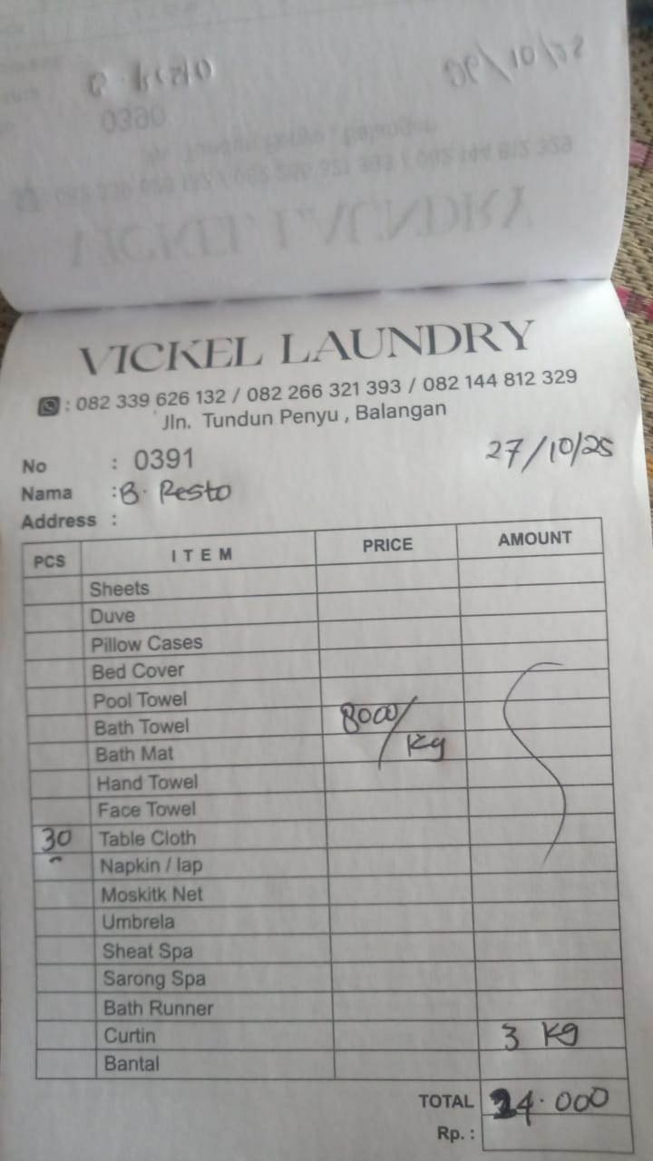 | IDR 24,000
2025-10-28 | 0392 | 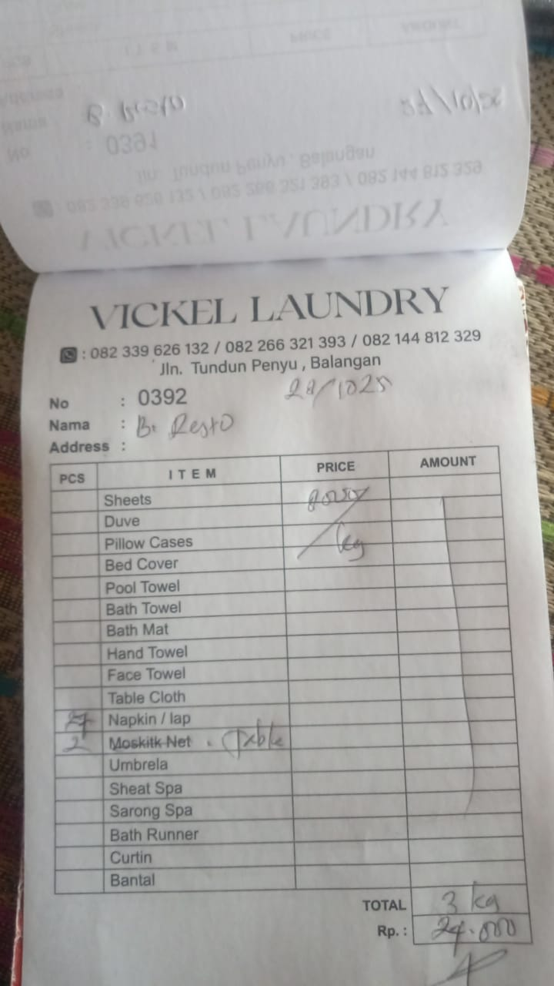 | IDR 24,000
2025-10-29 | 0393 | 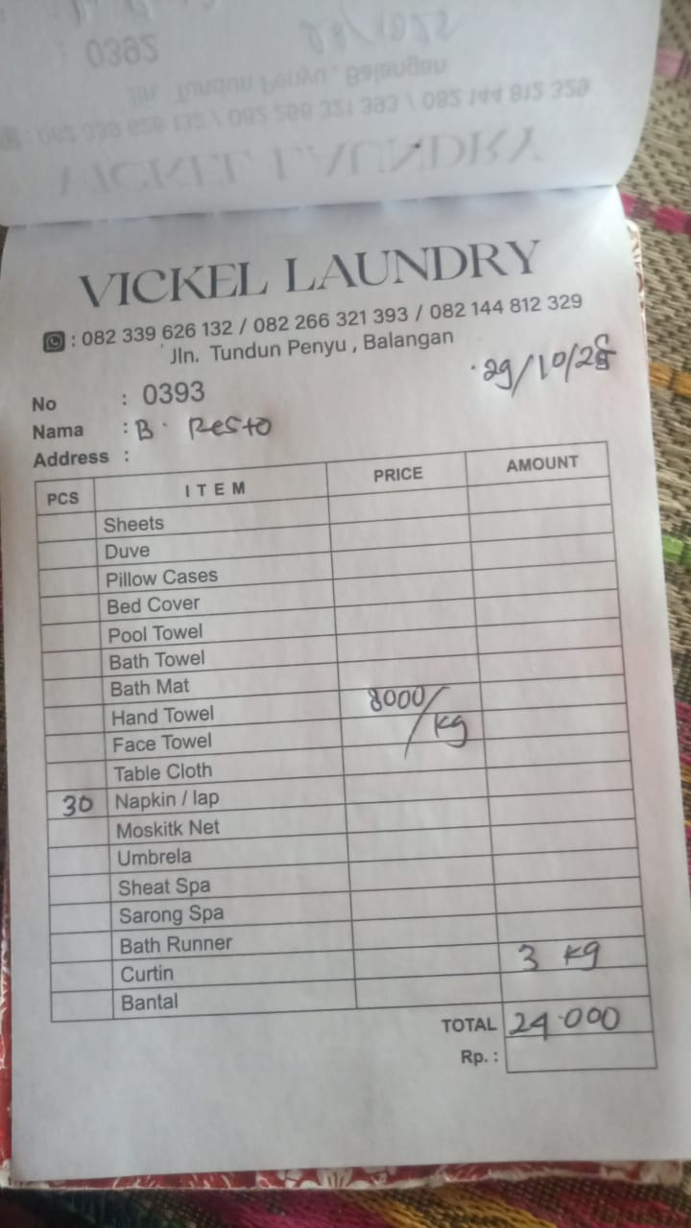 | IDR 24,000
2025-10-30
2025-10-31

 |  | Rp893,000

